RegionCounts
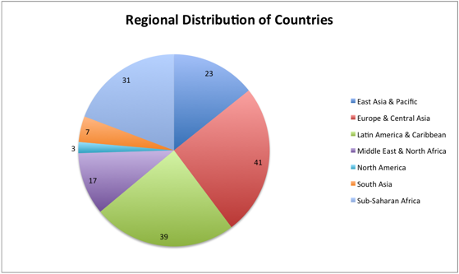
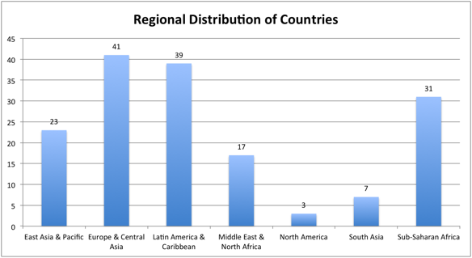
Count of Country Code
Row Labels | Total
East Asia & Pacific | 23
Europe & Central Asia | 41
Latin America & Caribbean | 39
Middle East & North Africa | 17
North America | 3
South Asia | 7
Sub-Saharan Africa | 31
Grand Total | 161

RegionReceipts
Country Name | (All)

Regional Distribution of Receipts
 | Sum of 1995
East Asia & Pacific | 76574.1
Europe & Central Asia | 239206
Latin America & Caribbean | 28178
Middle East & North Africa | 15589.4
North America | 103407
South Asia | 4004
Sub-Saharan Africa | 6553.4
 | Values
Row Labels | Sum of 1995 | Count of Country Name | Average of 1995_2
East Asia & Pacific | 76574.1 | 23 | 3329
Europe & Central Asia | 239206 | 41 | 5834
Latin America & Caribbean | 28178 | 39 | 723
Middle East & North Africa | 15589.4 | 17 | 917
North America | 103407 | 3 | 34469
South Asia | 4004 | 7 | 572
Sub-Saharan Africa | 6553.4 | 31 | 211
Grand Total | 473511.9 | 161 | 2941

Comparison
Country Name | Country Code | Region | 1995 | 1996 | 1997 | 1998 | 1999 | 2000 | 2001 | 2002 | 2003 | 2004 | 2005 | 2006 | 2007 | 2008 | 2009 | 2010 | 2011 | 2012 | 2013 | 2014 | Count
India | IND | South Asia | 2582 | 2831 | 2890 | 2949 | 3010 | 3598 | 3342 | 3300 | 4560 | 6307 | 7659 | 8915 | 11234 | 12462 | 11136 | 14490 | 17708 | 18340 |  |  | 16
Ireland | IRL | Europe & Central Asia | 2698 | 3022 | 3181 | 3297 | 3403 | 3517 | 3789 | 4228 | 5206 | 6075 | 6780 | 7664 | 9263 | 9967 | 8458 | 8187 | 9526 | 9064 |  |  | 16
Italy | ITA | Europe & Central Asia | 30426 | 31886 | 31416 | 31335 | 29571 | 28706 | 26916 | 28192 | 32591 | 37870 | 38374 | 41644 | 46144 | 48757 | 41938 | 40058 | 45368 | 43036 |  |  | 16

Countries | Country Code | Region | 1995 | 1996 | 1997 | 1998 | 1999 | 2000 | 2001 | 2002 | 2003 | 2004 | 2005 | 2006 | 2007 | 2008 | 2009 | 2010 | 2011 | 2012 | 2013 | 2014 | Count
India-Ireland |  |  | -116 | -191 | -291 | -348 | -393 | 81 | -447 | -928 | -646 | 232 | 879 | 1251 | 1971 | 2495 | 2678 | 6303

 | Italy-India | Italy-Ireland | India-Ireland
1995 |  |  | -116
1996 |  |  | -191
1997 |  |  | -291
1998 |  |  | -348
1999 |  |  | -393
2000 |  |  | 81
2001 |  |  | -447
2002 |  |  | -928
2003 |  |  | -646
2004 |  |  | 232
2005 |  |  | 879
2006 |  |  | 1251
2007 |  |  | 1971
2008 |  |  | 2495
2009 |  |  | 2678
2010 |  |  | 6303

Dispersion
Country Name | Country Code | Region | 1995 | 1996 | 1997 | 1998 | 1999 | 2000 | 2001 | 2002 | 2003 | 2004 | 2005 | 2006 | 2007 | 2008 | 2009 | 2010 | Mean | Median | Mode | Minimum | Maximum | Range
Latvia | LVA | Europe & Central Asia | 37.00 | 231.00 | 235.00 | 222.00 | 153.00 | 172.00 | 153.00 | 201.00 | 271.00 | 343.00 | 446.00 | 622.00 | 881.00 | 1,134.00 | 1,013.00 | 963.00 | 442.31 | 500.00 | 153.00 | 37.00 | 1,134.00 | 1,097.00
Mean | 442
Deviation from Mean |  |  | (405.31) | (211.31) | (207.31) | (220.31) | (289.31) | (270.31) | (289.31) | (241.31) | (171.31) | (99.31) | 3.69 | 179.69 | 438.69 | 691.69 | 570.69 | 520.69
Total Deviation | -
Absolute Deviation |  |  | 405.31 | 211.31 | 207.31 | 220.31 | 289.31 | 270.31 | 289.31 | 241.31 | 171.31 | 99.31 | 3.69 | 179.69 | 438.69 | 691.69 | 570.69 | 520.69
MAD | 300.64 | Avedev | 300.64
Deviation^2 |  |  | 164,278.22 | 44,652.97 | 42,978.47 | 48,537.60 | 83,701.72 | 73,068.85 | 83,701.72 | 58,231.72 | 29,347.97 | 9,862.97 | 13.60 | 32,287.60 | 192,446.72 | 478,431.60 | 325,684.22 | 271,115.47
Average Deviation^2 | 121,146.34 | Variance | 121,146.34 | VAR | 129,222.76
Standard Deviation | 348.06

Bermuda | BMU | North America | 488.00 | 472.00 | 478.00 | 487.00 | 479.00 | 431.00 | 351.00 | 378.00 | 348.00 | 426.00 | 429.00 | 495.00 | 569.00 | 431.00 | 366.00 | 442.00 | 441.88 | 465.00 | 431.00 | 348.00 | 569.00 | 221.00
Mean | 442
Deviation from Mean |  |  | 46.13 | 30.13 | 36.13 | 45.13 | 37.13 | (10.88) | (90.88) | (63.88) | (93.88) | (15.88) | (12.88) | 53.13 | 127.13 | (10.88) | (75.88) | 0.13
Total Deviation | -
Absolute Deviation |  |  | 46.13 | 30.13 | 36.13 | 45.13 | 37.13 | 10.88 | 90.88 | 63.88 | 93.88 | 15.88 | 12.88 | 53.13 | 127.13 | 10.88 | 75.88 | 0.13
MAD | 46.88 | Avedev | 46.88
Deviation^2 |  |  | 2,127.52 | 907.52 | 1,305.02 | 2,036.27 | 1,378.27 | 118.27 | 8,258.27 | 4,080.02 | 8,812.52 | 252.02 | 165.77 | 2,822.27 | 16,160.77 | 118.27 | 5,757.02 | 0.02
Average Deviation^2 | 3,393.73 | Variance | 3,393.73
Standard Deviation | 58.26
 | Latvia | Bermuda
1995 | 37 | 488
1996 | 231 | 472
1997 | 235 | 478
1998 | 222 | 487
1999 | 153 | 479
2000 | 172 | 431
2001 | 153 | 351
2002 | 201 | 378
2003 | 271 | 348
2004 | 343 | 426
2005 | 446 | 429
2006 | 622 | 495
2007 | 881 | 569
2008 | 1134 | 431
2009 | 1013 | 366
2010 | 963 | 442

